Summary
Micro infeed of axes

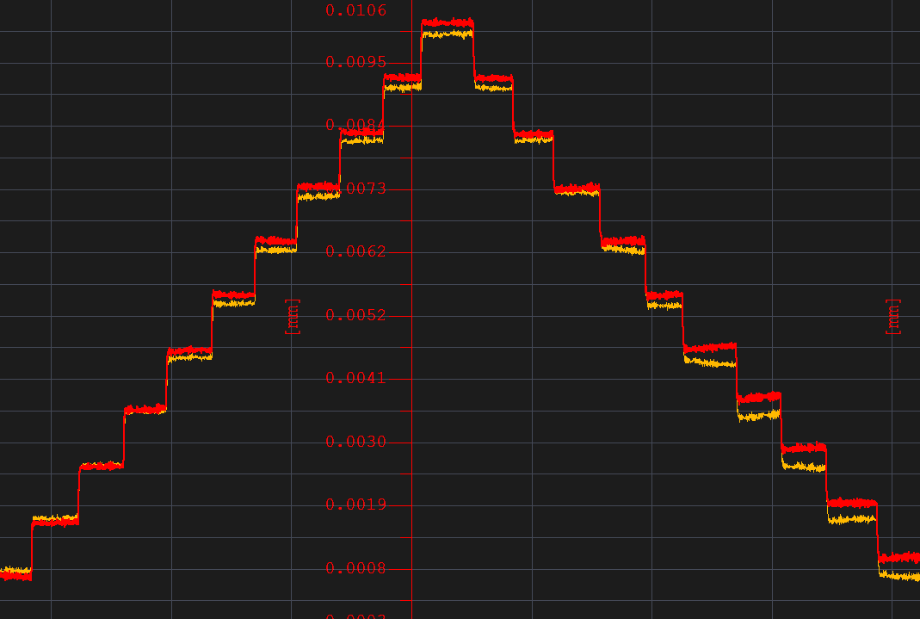
Z-microinfeed
Z-axis Micro Infeed

 | MaxError (μm) | Slave | Master
1um | 1st | 0.2 | 0.2
 | 2nd | 0.2 | 0.1
 | 3rd | 0.2 | 0.1
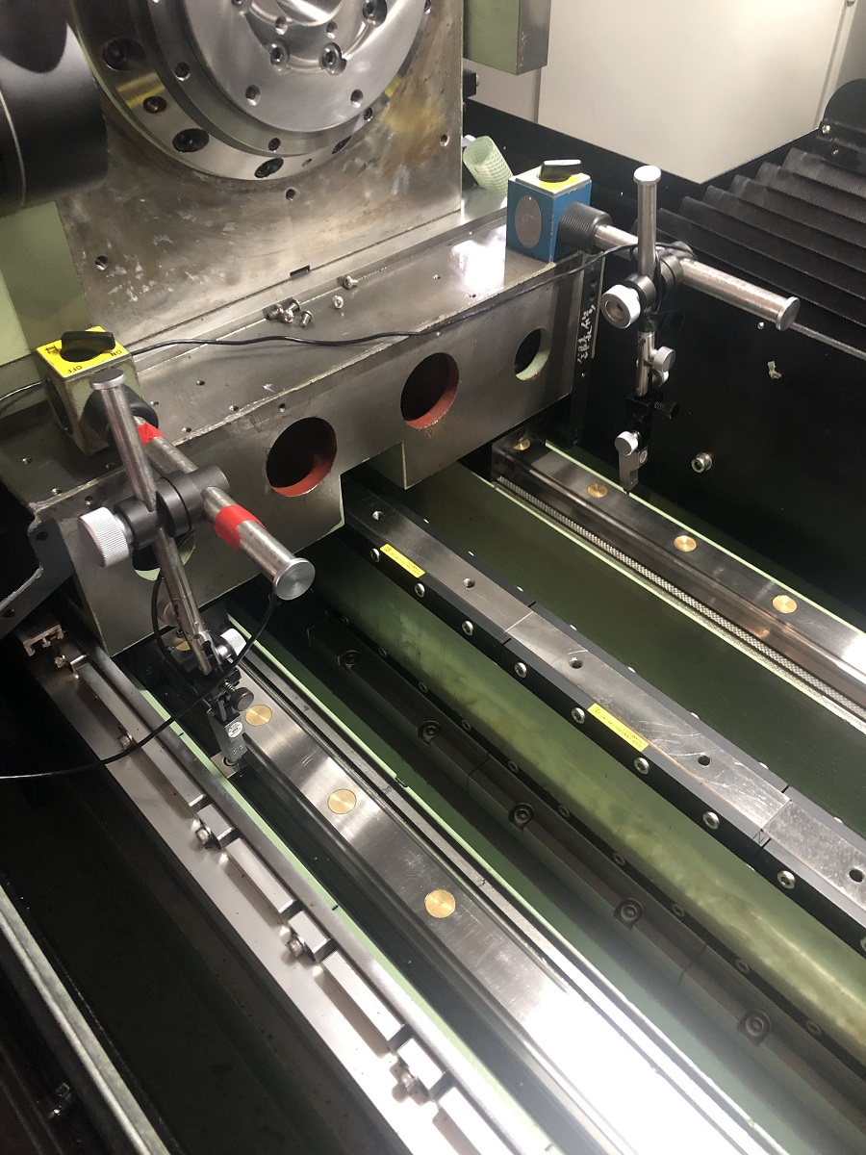

Z-master

Z-slave

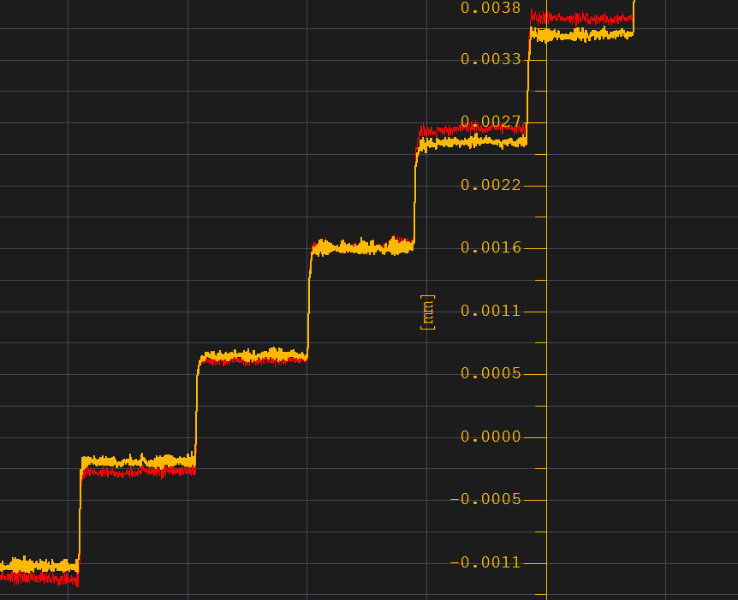

No overshoot

X-axis Micro Infeed

 | MaxError (μm) | Slave | Master
1um | 1st | 0.1 | 0.1
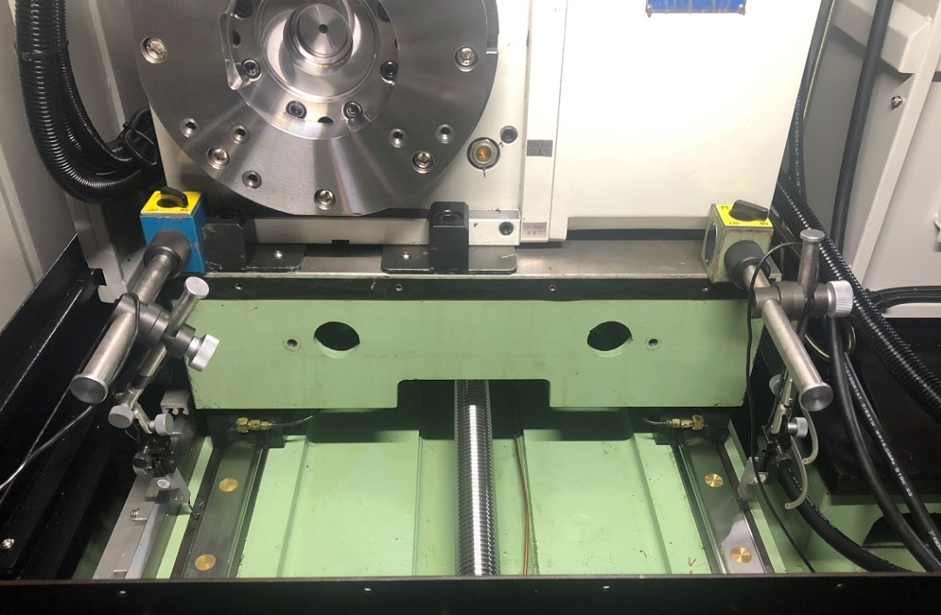
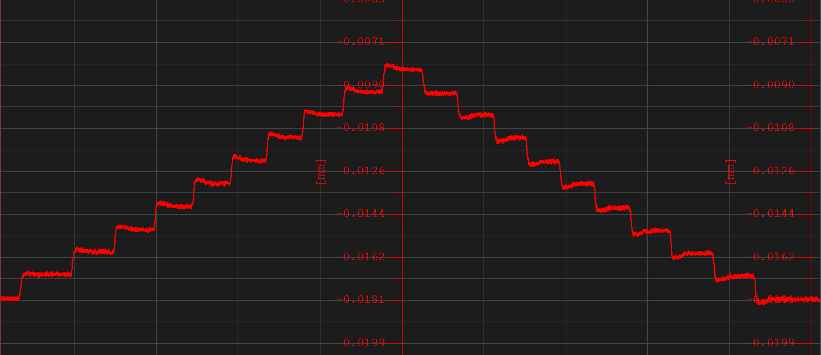
X-microinfeed

X-master
X-slave

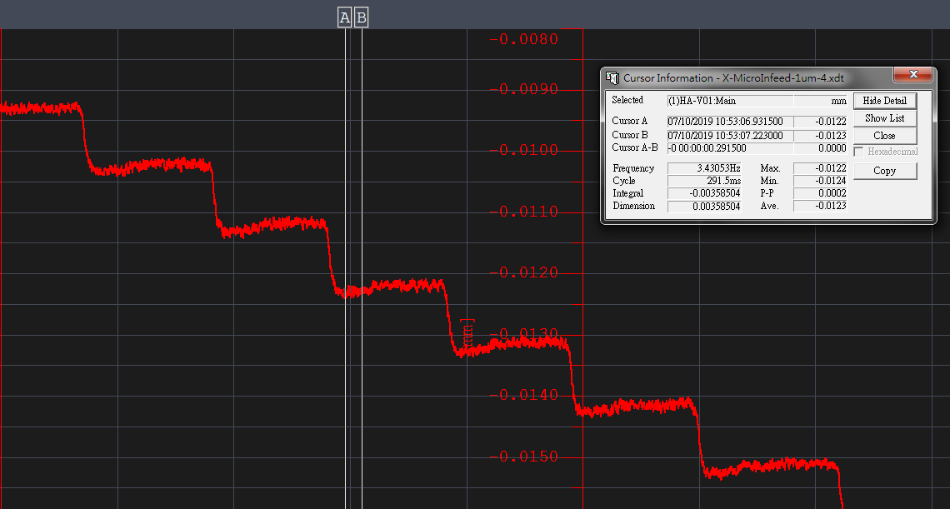
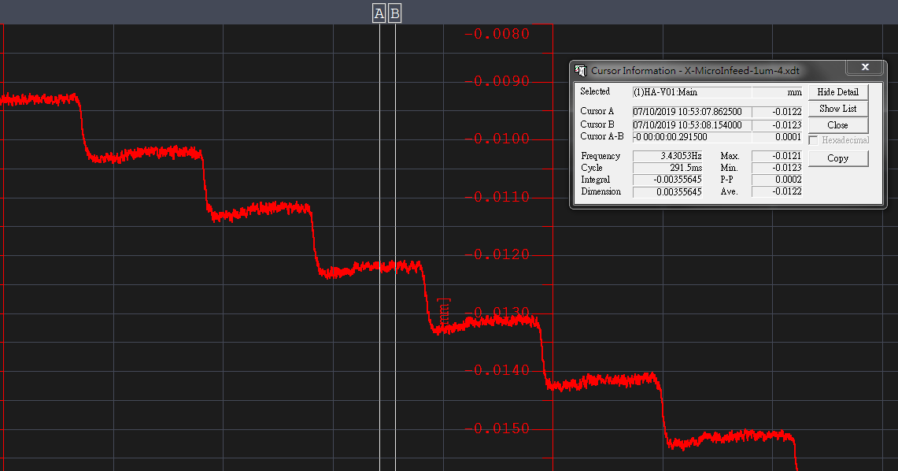

-0.0122um
-0.0123um
0.1um overshoot

U-axis Micro Infeed

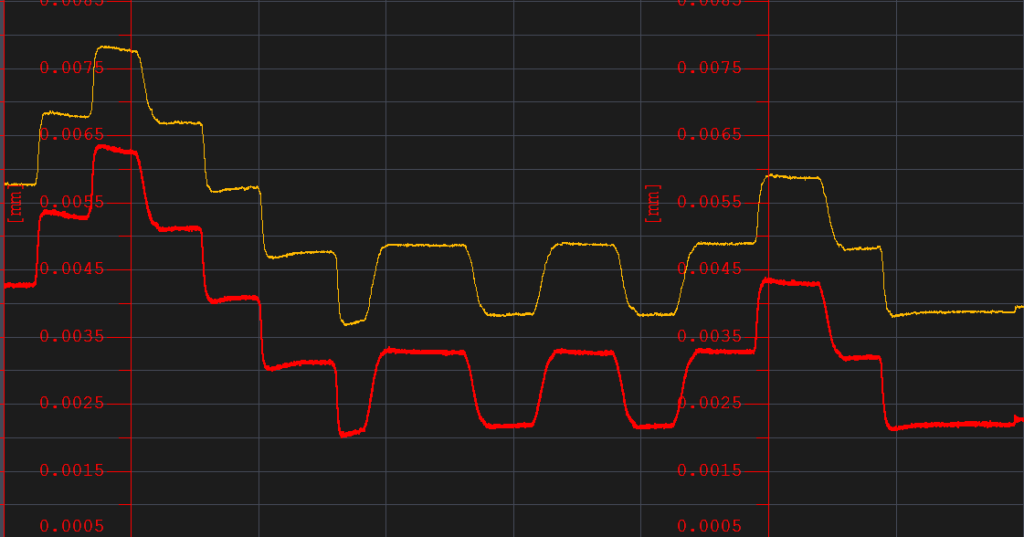
U-microinfeed
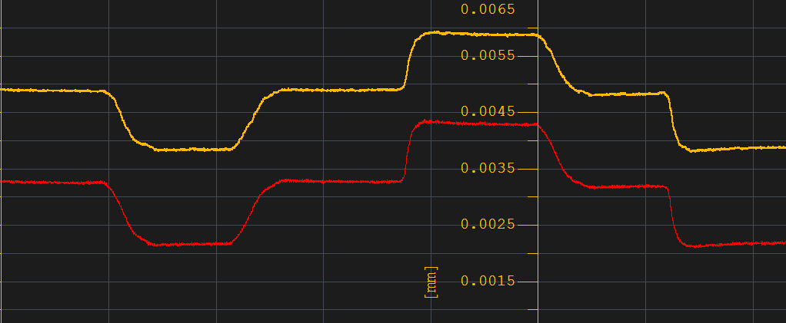

We find out there is a strange curve in the graph,and it's only appear in the fitst step when U-axis reverse.

Microinfeed : The max error in the Z-axis microinfeed is only 0.2um , and there is no overshoot in the graph, so we think it's stable moving situation. The max error in X-axis microinfeed is only 0.1um , but there is a 0.1 um overshoot , although X-axis won't synchronize with others axis , but we will ask fanuc to fix it tomorrow. We also find out there is a strange curve in the graph of U-axis microinfeed , it's maybe come from the parameter of server , so we will also ask fanuc to fix it.

PIC
